GB weight distribution
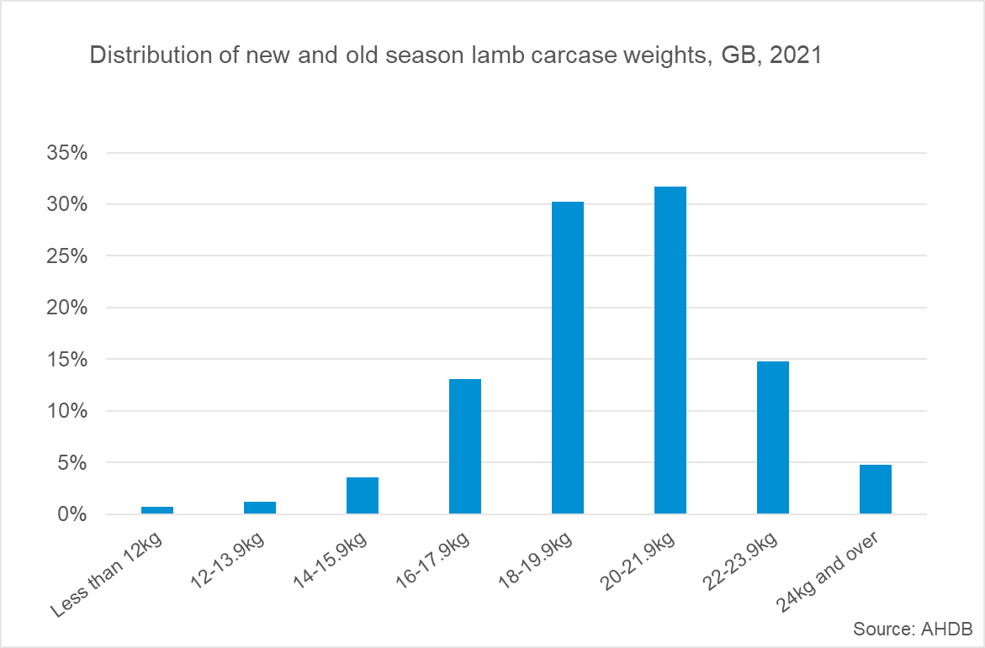
Great Britain annual sheep carcases by weight bands
Source: AHDB
Units: Kg
Last updated: 07/02/2022

Distribution of new and old season lamb carcase weights, GB, 2021

